Self-Made Solution
Sales based on Year
Row Labels | Sum of SALES
2004 | 4,724,162.60
2003 | 3,516,979.54
2005 | 1,791,486.71

The highest sales happened in 2004, specifically more than 4.700.000

Country Sales in Years
 | Classic Cars
Australia | 76,287.38
Austria | 15,309.33
Belgium | 3,508.80
Canada | 20,594.39
Denmark | 70,383.59
Finland | 54,248.77
France | 184,361.25
Germany | 92,821.85
Ireland | 31,688.82
Italy | 85,343.27
Japan | 28,436.47
Norway | 13,649.07
Philippines | 10,506.22
Singapore | 54,800.41
Spain | 209,568.26
Sweden | 39,915.32
Switzerland | 117,713.56
UK | 92,672.07
USA | 560,448.26
Sum of SALES | Column Labels
Row Labels | Classic Cars
2004
Australia | 76,287.38
Austria | 15,309.33
Belgium | 3,508.80
Canada | 20,594.39
Denmark | 70,383.59
Finland | 54,248.77
France | 184,361.25
Germany | 92,821.85
Ireland | 31,688.82
Italy | 85,343.27
Japan | 28,436.47
Norway | 13,649.07
Philippines | 10,506.22
Singapore | 54,800.41
Spain | 209,568.26
Country with the highest classic cars sales is USA in 2004. The unbeatable record is 560.448,26
Sweden | 39,915.32
Switzerland | 117,713.56
UK | 92,672.07
USA | 560,448.26

Product Total based on product line during Sept 2003 -Apr 2004
Row Labels | Sum of QUANTITYORDERED
Classic Cars | 11083
2003-09-03 | 29
2003-09-05 | 341
2003-09-11 | 396
2003-09-19 | 85
2003-09-21 | 94
2003-09-25 | 83
2003-09-28 | 111
2003-10-04 | 251
2003-10-05 | 369
2003-10-06 | 197
2003-10-10 | 216
2003-10-11 | 231
2003-10-17 | 358
2003-10-20 | 21
2003-10-21 | 60
2003-10-22 | 285
The biggest quantity product during that period is classic cars with 11.083 products
2003-10-23 | 44
2003-11-04 | 367
2003-11-05 | 470
2003-11-06 | 417
2003-11-08 | 24
2003-11-11 | 72
2003-11-12 | 751
2003-11-13 | 74
2003-11-14 | 358
2003-11-20 | 859
2003-11-21 | 25
2003-11-25 | 281
2003-11-26 | 181
2003-12-02 | 860
2003-12-05 | 80
2003-12-09 | 259
2004-01-02 | 92
2004-01-09 | 39
2004-01-15 | 243
2004-01-16 | 612
2004-01-22 | 52
2004-01-29 | 35
2004-02-04 | 79
2004-02-10 | 64
2004-02-12 | 202
2004-02-19 | 49
2004-02-22 | 483
2004-02-26 | 237
2004-03-02 | 157
2004-03-10 | 29
2004-03-11 | 155
2004-03-15 | 215
2004-03-19 | 91
Motorcycles | 2959
2003-09-03 | 47
2003-10-10 | 391
2003-10-28 | 236
2003-11-04 | 219
2003-11-11 | 386
2003-11-18 | 300
2003-11-19 | 170
2003-11-20 | 43
2003-12-01 | 214
2004-01-12 | 173
2004-01-15 | 287
2004-02-20 | 252
2004-02-21 | 241
Planes | 2221
2003-10-06 | 246
2003-10-08 | 48
2003-10-23 | 104
2003-10-28 | 327
2003-11-08 | 218
2003-11-14 | 82
2003-11-18 | 29
2003-11-26 | 29
2003-11-27 | 215
2003-12-01 | 86
2004-01-09 | 91
2004-01-12 | 322
2004-02-19 | 240
2004-02-20 | 184
Ships | 2478
2003-09-28 | 234
2003-10-02 | 36
2003-10-06 | 76
2003-10-21 | 29
2003-10-23 | 287
2003-11-07 | 245
2003-11-08 | 75
2003-11-14 | 263
2003-11-26 | 338
2004-01-02 | 271
2004-01-09 | 61
2004-02-18 | 72
2004-02-19 | 247
2004-03-20 | 179
2004-03-29 | 65
Trains | 878
2003-09-25 | 33
2003-09-28 | 60
2003-10-22 | 132
2003-11-06 | 60
2003-11-07 | 29
2003-11-14 | 117
2003-11-25 | 33
2003-11-26 | 81
2003-12-09 | 45
2004-01-02 | 78
2004-02-12 | 50
2004-02-18 | 23
2004-03-15 | 89
2004-03-20 | 48
Trucks and Buses | 3231
2003-09-19 | 162
2003-09-21 | 248
2003-10-21 | 203
2003-10-22 | 253
2003-11-06 | 405
2003-11-13 | 132
2003-11-14 | 275
2003-11-25 | 426
2003-12-05 | 98
2003-12-09 | 311
2004-01-29 | 46
2004-02-02 | 43
2004-02-04 | 161
2004-02-10 | 83
2004-02-12 | 37
2004-03-10 | 32
2004-03-11 | 282
2004-03-15 | 34
Vintage Cars | 6127
2003-09-11 | 34
2003-09-12 | 367
2003-09-19 | 133
2003-09-28 | 53
2003-10-02 | 31
2003-10-06 | 181
2003-10-08 | 20
2003-10-18 | 391
2003-10-20 | 204
2003-10-21 | 94
2003-10-23 | 115
2003-10-28 | 79
2003-11-05 | 418
2003-11-06 | 95
2003-11-07 | 103
2003-11-08 | 96
2003-11-12 | 342
2003-11-13 | 185
2003-11-14 | 211
2003-11-21 | 422
2003-11-25 | 41
2003-11-26 | 190
2003-11-27 | 27
2003-12-01 | 29
2003-12-02 | 150
2003-12-03 | 180
2003-12-05 | 177
2004-01-02 | 89
2004-01-09 | 78
2004-01-12 | 82
2004-01-22 | 38
2004-01-26 | 241
2004-01-29 | 315
2004-02-18 | 72
2004-02-19 | 181
2004-02-20 | 61
2004-03-02 | 345
2004-03-10 | 133
2004-03-11 | 39
2004-03-20 | 45
2004-03-29 | 40
Grand Total | 28977

AI Solution
1. Total sales for each year

 | Year | Total Sales
 | 2003 | $3,516,979.54
 | 2004 | $4,724,162.60
 | 2005 | $1,791,486.71

Answer: 2004 had the highest total sales, with $4,724,162.60.

Total sales by year

Total sales recorded for each year in the dataset.
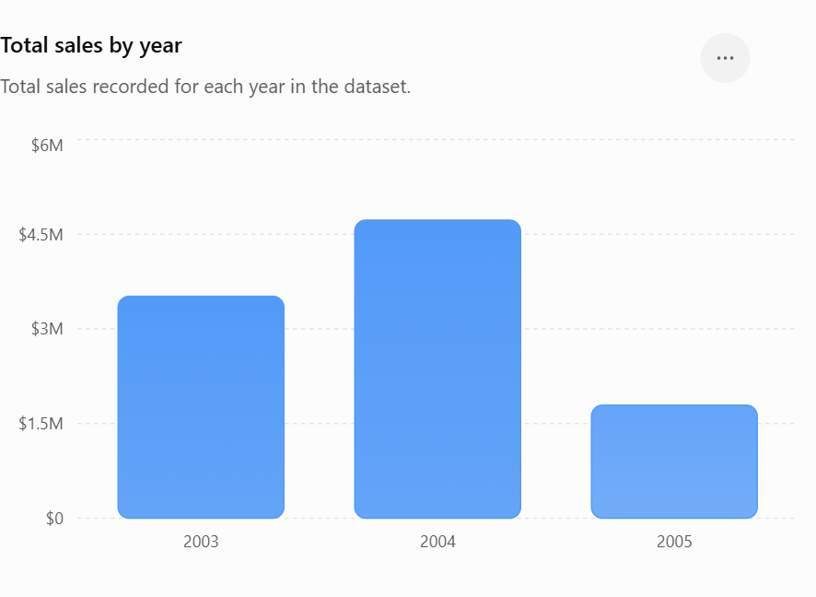

2. Which country had the highest Classic Cars sales throughout 2004?

USA had the highest Classic Cars sales in 2004:

 | Country | Sales
 | USA | $560,448.26
 | Spain | $209,568.26
 | France | $184,361.25
 | Switzerland | $117,713.56
 | Germany | $92,821.85

Answer: USA — $560,448.26.

3. Which product line was sold the most in quantity from September 2003 to March 2004?

Using September 1, 2003 through March 31, 2004:

 |  | Product Line | Quantity Sold
 |  | Classic Cars | 11.083
 |  | Vintage Cars | 6.127
 |  | Trucks and Buses | 3.231
 |  | Motorcycles | 2.959
 |  | Ships | 2.478
 |  | Planes | 2.221
 |  | Trains | 878

Answer: Classic Cars — 11,083 units.

